Loss Factors
Source: | AESO Loss Factor Final Posting

 | 2010 | 2011 | 2012 | 2013 | 2014 | 2015
% | 0.0413 | 0.0442 | 0.0361 | 0.0383 | 0.0339 | 0.0367
Average | 0.038416666667

Source: | Howell-Mayhew Engineering, Inc
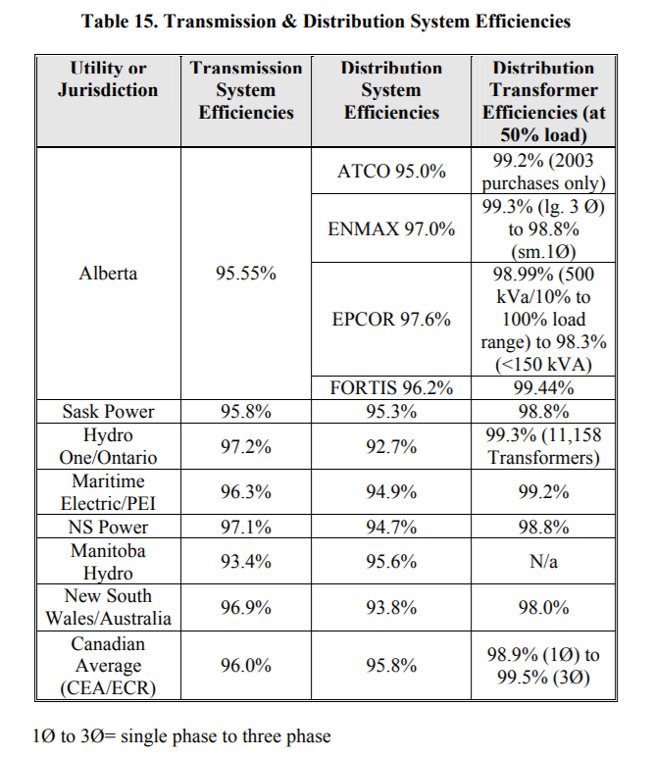

Note: | Distribution losses are calculated from distribution efficiency

Company | Percent | Average
ATCO | 0.05 | 0.0355
ENMAX | 0.03
EPCOR | 0.024
FORTIS | 0.038

Combined Distribution and Transmission Losses
0.073916666667

